AI data Entry (ENG)
chemSHERPA AI Operation manual
 |  |  | Version 3.1
＜Purpose of this manual＞
 | This manual provides operational guidelines for the TDK group on creating chemSHERPA
 | for the chemical substance survey.
 | For more details, please refer to the chemSHERPA website*.
 | *The website was renewed on October 30, 2025.
 | Language |  | URL
 | English / Chinese |  | https://cmp-consortium.com/english/chemsherpa/aboutchemsherpa
 | Japanese |  | https://cmp-consortium.com/chemsherpa/aboutchemsherpa

＜About the format＞
 | There are two kinds of formats in chemSHERPA.
 | Please select the format based on the following purchase item classification
 | Please refer to chemSHERPA web site for the details.
 | (About information on chemical substances, Rules for use, operation/ input/ quick manuals, etc.)
 | Purchase item | Format | The targets for information transmission
 | Chemicals | chemSHERPA-CI | Contained chemical substances
 | Articles | chemSHERPA-AI | Contained chemical substances and compliance

 | (Note)
 | In chemSHERPA-AI(Articles), compliance information is required answer.
 | Please fill it out in Japanese or English.

---> P.2 ~

---> P.8 ~
---> Please refer to the attached sheet

<Operation Instructions Video>
 | This video is about 60 minutes long and explains everything very simply and clearly.
 | （As of Oct. 2025, only the Japanese version of the video has been updated to the V2R1 specification.）
 | Language | URL
 | English | https://cmp-consortium.com/english/chemsherpa/aboutchemsherpa/description
 | Chinese | https://cmp-consortium.com/english/chemsherpa/aboutchemsherpa/description
 | Japanese | https://cmp-consortium.com/chemsherpa/aboutchemsherpa/description#movie

Contents

 | 1. How to enter data via chemSHERPA-AI（Overview）

 | 2. How to enter data via chemSHERPA-AI (Detail)
 | A)General info
 |  | （A-1） Issuer / Authorizer
 |  | （A-2） Dates
 |  | （A-3） Remarks
 |  | （A-4） Candidate of Declarable Substances (CDS)
 |  | （A-5） SCIP info

 | B)Composition info
 |  | （B-１）Substance
 |  | （B-２）Usage code
 |  | （B-３）Substances other than Declarable Substances (former Optional reporting)
 |  | （B-４）How to enter data about Misc.
 |  | （B-５）Error check

 | C)Compliance
 |  | （C-１）Reflecting Compliance info
 |  | （C-２）Content flag
 |  | （C-３）Usage code
 |  | （C-４）How to directly enter compliance judgeing data
 |  | （C-５）Error check

 | 3．Authorize/Output
 |  | ３-１ Error check
 |  | ３-２ Authorization

1. How to enter data via chemSHERPA-AI（Overview）

 | There are the following three screens in chemSHERPA-AI.
 | Enter required information in each of them and submit the file after authorization.
 | １．General information screen
 | ２．Composition information screen
 | ３．Compliance information screen

 | How to switching between each screen is as follows.
 | ・General information screen → Composition information screen（①）
 | ・General information screen → Compliance information screen（②）

 | (Either the General information screen, the Composition information screen,
 | or the Compliance information screen will be displayed.)
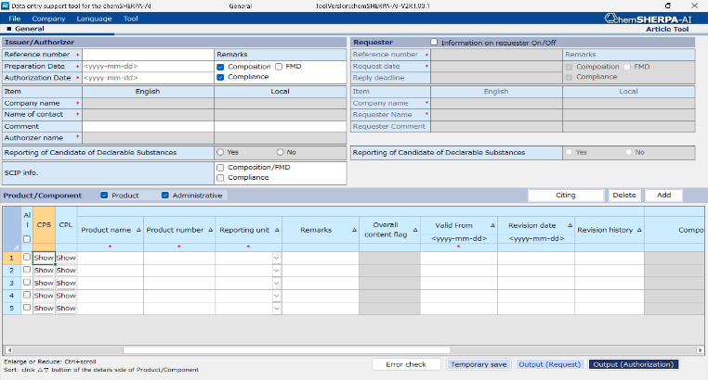

①
②

2. How to enter data via chemSHERPA-AI (Detail)

A)General info
（A-1） Issuer / Authorizer
 | Issuer / Authorizer information is required.
 | Click on “Company” ➡ “Issuer/Authorizer” and enter the required information.

Fields marked with * are required.
Enter the issuer and authorizerer information.

chemSHERPA AI_Operation manual
(Attached to the tool）
5.Entering new data (Refer to P.13～)

（A-2） Dates
 | Enter in yyyy-mm-dd (hyphen spliced) format.
 | The authorization date（①）should be the same as or later than the preparation date.
 | If revisions have been made, set the authorization date after that date.
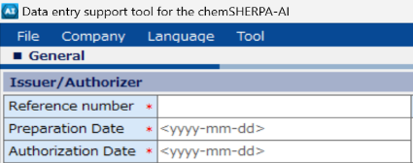
 |  |  | ▼Error example

（！）Authorization Date(①)must be after the Preparation Date and the Revision Date.
①
 |  |  | Error areas are marked in red.
 |  |  | Correct：2024-09-10
 |  |  | Incorrect：2024-9-10

（A-3） Remarks
 | Select the Remarks（either Composition or FMD）and Compliance.
 | Composition：Report only chemSHERPA declarable substances.
 |  | (Conventional reporting method)
 | FMD ：Report all information about intentionally added substances and known impurities.
 | Refer to the section（B-4）bellow about how to enter the "Misc".

 | Except for "Misc.", to disclose the substance information over the 90%, select "FMD" of "Remarks".
 | ＊Entries with SN numbers or pseudo-substances are considered disclosed.

 |  |  | ➡ Select one
 |  |  | ➡ Required

（A-4） Candidate of Declarable Substances（CDS）
 | As much as possible, please select "Yes" to Reporting of Candidate of Declarable Substances .

(A-5) SCIP info
 | If SVHC substances are contained, report SCIP infomation as much as possible.
 | In the case, select "Composition/FMD" and "Compliance".

B) Composition info
 | Switch from the General screen to the Composition screen as follows.
 | On the General screen, click the "Show" button in the "CPS" column of the product
 | for which you are inputting the composition information.

 | After the previous screen switches to the Composition screen,
 | enter the Component, Material, and Substance information.
 | Fields marked with ＊ are required.

chemSHERPA AI_Operation manual
(Attached to the tool）
12.Entering composition information(refer to p.34~)

（B-１）Substance
 | Search for the declarable substance on the substance search screen（③）.
 | The substance search screen is displayed by the following operation.
 | Select the cell where you will enter the substance information (①), and click the select button (②).
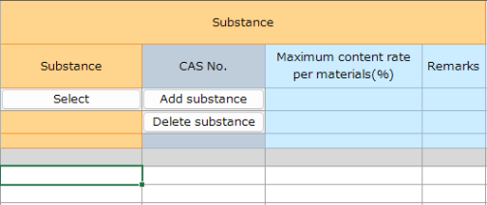

②
chemSHERPA AI_Operation manual
(Attached to the tool）
12.3. Enter substance information(refer to p.36~)

①

③
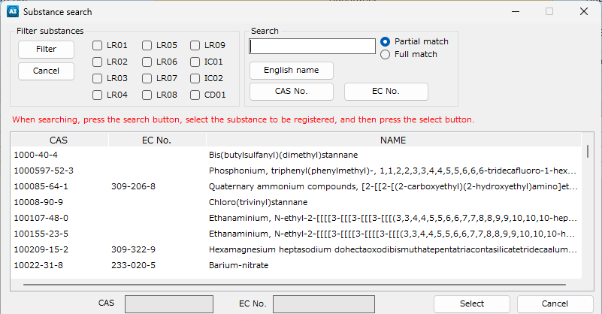

Search for the substance by English name, CAS No.,EC No.
➡Select the substance and
click the Select button.

（B-２）Usage Code
 | Ensure to appropriate item from the exemption screen.

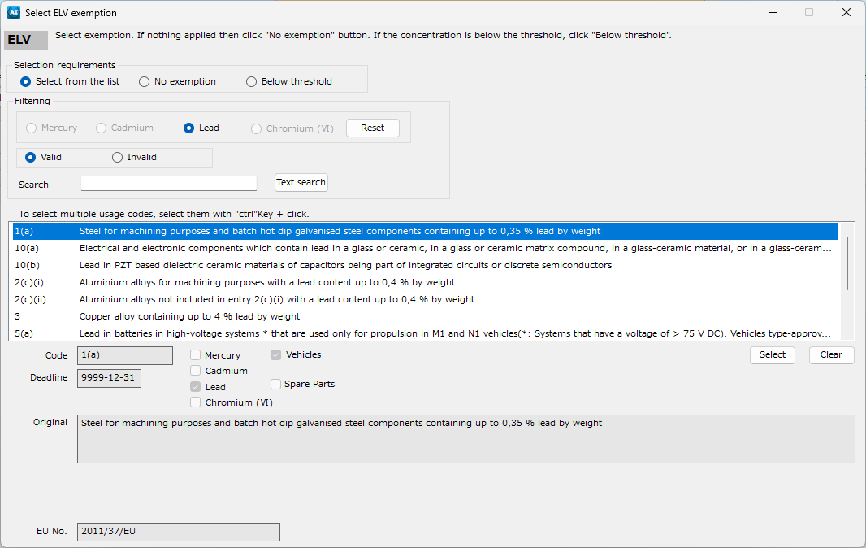

chemSHERPA AI_Operation manual
(Attached to the tool）
12.3. Enter substance information
(refer to p.37~)

（B-３）Substances other than Declarable Substances (former Optional reporting)
 | Enter substances other than declarable substances and their CAS numbers directly into the cell.
 | Only single-byte alphanumeric characters are allowed for entering the chemical substance name.
 | Use standardized names whenever possible.
 | Also, check "Applicable" of substances other than declarable substances (including candidates).

 | ▶ In the case to where "FMD" is selected in Remarks
 | The content rate of the substance neither CAS No. nor
 | SN No. nor pseudo-substance name is disclosed cannot exceed 10%.
 | Also, enter the name of the chemical substance as accurately as possible.
chemSHERPA AI_Operation manual
(Attached to the tool）
12.4. Entering substance information(refer to p.40~)

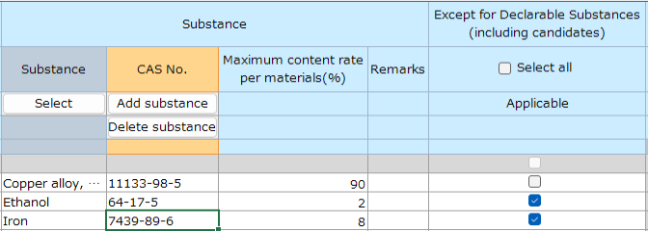

（B-４）How to enter data about Misc.
 | ▶ In the case to where "FMD" is selected in Remarks
 | Select "Pseudo-Substance/Misc" of Swich display area of the Substance search screen,
 | and select "Misc., not to declare" in the substance list.
 | If “Misc.” was entered manually, you may be asked to re-enter it in the substance search.

 | ▶ In the case to where "Composition" is selected in Remarks
 | The Declarable Substances list cannot be swiched to Pseudo-Substance/Misc list.
 | Please enter manually.
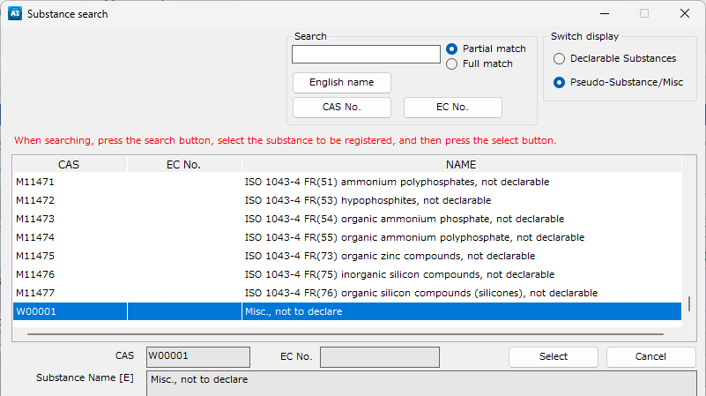

 | （！）In the case where you register unknown impurities as Misc,
 |  | please enter "Unknown impurities" in the remarks.

（B-５）Error check
 | After completing the entry, click “Error Check” at the bottom of the screen.
 | If there is no error, click “Finalize”.
 | If there is an error, follow the instructions on the error view to correct and finalize the entry.

C)Compliance
 | Switch from the General screen to the Compliance screen as follows.

 | Go back to the General screen, then click the "Show" button in the "CPS" column for the product
 | you are entering the compliance information for.

chemSHERPA AI_Operation manual
(Attached to the tool）
13.Entering compliance information (refer to P.50～)

（C-1）Reflecting Compliance info
 | Click the "Convert from Composition" button to automatically reflect the compliance information
 | based on the composition information determined in (B-5).
chemSHERPA AI_Operation manual
(Attached to the tool）
13.2. Entering content above threshold level
(refer to P.51～)
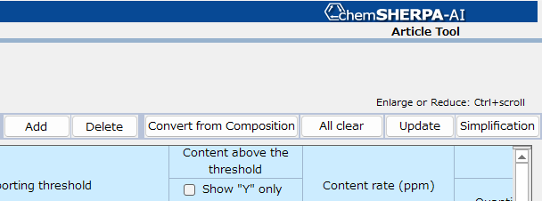

（C-２）Content flag
 | "Entry Y" implies a possible "Y".
 | Check ☑ 'Show "Y" only' in the “Content above the threshold” to narrow down
 | the items of “Y” and “Entry Y”.
 | Change the content flag to "Y" or "N" while checking the Subject substance, usage, threshold.

（C-３）Usage code
 | Enter the Content rate (ppm), Usage and Portion used about the substance
 | whose Content above the threshold flag is "Y"
 | If “Please enter the data” is indicated in the usage code colum, entry the use code is required.
 | Refer to the following (C-3-1)
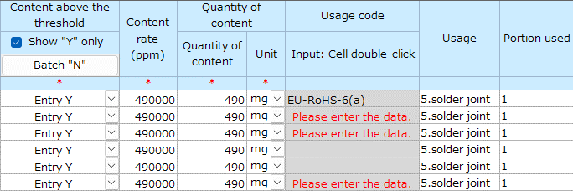

 | （C-３-１） Double click the "Please enter the data." cell to open the Select usage code screen.
 | Select the Usage code, the click the "Select" button.
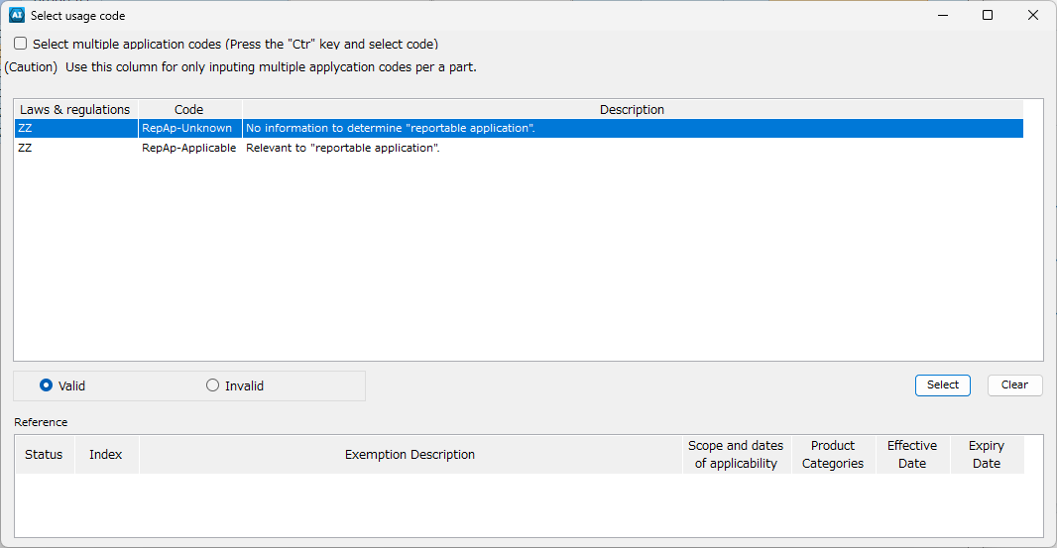

chemSHERPA AI_Operation manual
(Attached to the tool）
13.2. Entering content above threshold level
(refer to P.51～)

（C-４）How to directly enter compliance judgeing data
 | Swich to the compliance screen, enter as following.
 | Check ☑ 'Show "ON" only' in the “Candidate item” and it can narrow down the items.

chemSHERPA AI_Operation manual
(Attached to the tool）
13.3. Entering content above threshold level
(refer toP.53～)

 | (C-４-1) Entry
 | Check the subject substance and that usage, then select "Y" or "N".
 | If “Y” is selected for Content above the threshold flag, enter the content rate (ppm), usage,
 | and portion used.
 | In addition, when “Please enter the data,” is indicated in the Usage code colum, the Usage is required.
 | Refer to (C-3)
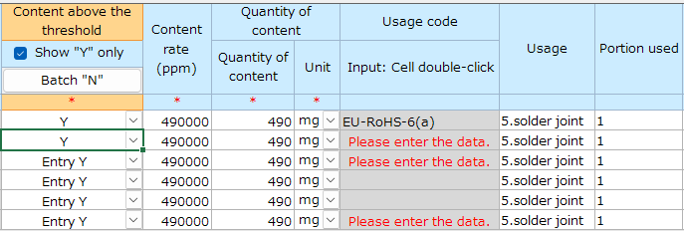

（C-５）Error check
 | After completing the entry, click “Error Check” at the bottom of the screen.
 | If there is no error, click “Finalize”.
 | If there is an error, follow the instructions on the error view to correct and finalize the entry.
chemSHERPA AI_Operation manual
(Attached to the tool）
13.4.Perform error checking and finalize the data
(refer to P.56)

３．Authorize / Output
 | Authorize of the completed file. This process is performed from the General screen.

３-1 Error check
 | Click the "Error check" button.

３-２ Authorization
 | Click the "Output (Authorization)" button, complete the authorization process.

 | Click the "Authorize/Output" button to export chemSHERPA.
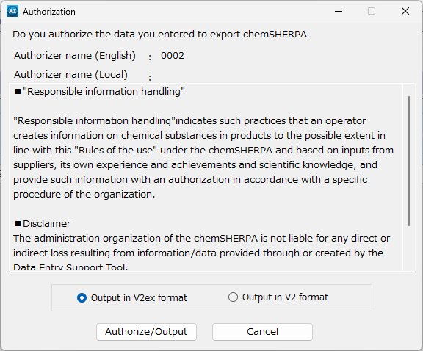

chemSHERPA AI_Operation manual
(Attached to the tool）
11.7.Authorize and save the data (refer to P.31～)

CI data Entry (ENG)
chemSHERPA CI Operation manual
 |  |  | Version 3.1
＜Purpose of this manual＞
 | This manual provides operational guidelines for the TDK group on creating chemSHERPA
 | for the chemical substance survey.
 | For more details, please refer to the chemSHERPA website*.
 | *The website was renewed on October 30, 2025.
 | Language |  | URL:
 | English / Chinese |  | https://cmp-consortium.com/english/chemsherpa/aboutchemsherpa
 | Japanese |  | https://cmp-consortium.com/chemsherpa/aboutchemsherpa

＜About the format＞
 | There are two kinds of formats in chemSHERPA.
 | Please select the format based on the following purchase item classification.
 | Please refer to chemSHERPA web site for the details.
 | (About information on chemical substances, Rules for use, operation/ input/ quick manuals, etc.)
 | Purchase item | Format | The targets for information transmission
 | Chemicals | chemSHERPA-CI | Contained chemical substances
 | Articles | chemSHERPA-AI | Contained chemical substances and compliance

 | (Note)
 | In chemSHERPA-CI(Chemicals), compliance information is required answer.
 | Please fill it out in Japanese or English.

---> Please refer to the attached sheet

---> P.8 ~
---> P.2 ~

<Operation Instructions Video>
 | This video is about 60 minutes long and explains everything very simply and clearly.
 | （As of Oct. 2025, only the Japanese version of the video has been updated to the V2R1 specification.）
 | Language | URL
 | English | https://cmp-consortium.com/english/chemsherpa/aboutchemsherpa/description
 | Chinese | https://cmp-consortium.com/english/chemsherpa/aboutchemsherpa/description
 | Japanese | https://cmp-consortium.com/chemsherpa/aboutchemsherpa/description#movie

Contents

 | 1．How to enter chemSHERPA-CI（Overview）

 | 2．How to enter chemSHERPA-CI（Detail）
 | A)General info
 |  | （A-1） Issuer / Authorizer
 |  | （A-2） Dates
 |  | （A-3） Remarks
 |  | （A-4） Candidate of Declarable Substances（CDS）

 | B)Composition info
 |  | （B-１）Content status on declarable substances
 |  | （B-２）Substance
 |  | （B-３）Substances other than Declarable Substances (former Optional reporting)
 |  | （B-４）How to enter data about Misc.
 |  | （B-５）Update substance information
 |  | （B-６）Error check

 | 3．Authorize / Output
 |  | ３-１ Error check
 |  | ３-２ Authorization

１．How to enter chemSHERPA-CI（Overview）

 | There are the following two screens in chemSHERPA-CI.
 | Enter required information in each of them and submit the file after authorization.
 | １．General information screen
 | ２．Composition information screen

 | How to switching between each screen is as follows.
 | ・General information screen → Composition information screen（①）

 | (Either the General information screen, the Composition information screen will be displayed.)
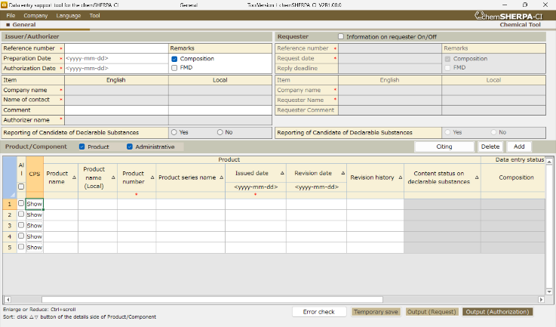
①

２．How to enter chemSHERPA-CI（Detail）

A)General info
（A-1） Issuer/Authorizer
 | Issuer / Authorizer information is required.
 | Click on “Company” ➡ “Issuer/Authorizer” and enter the required information.
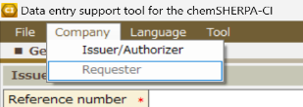

chemSHERPA CI_Operation manual
(Attached to the tool）
5.Entering new data (refer to P.12~)

Fields marked with * are required.
Enter the issuer and authorizerer information.

（A-2） Dates
 | Enter in yyyy-mm-dd (hyphen spliced) format.
 | The authorization date（①）should be the same as or later than the preparation date.
 | If revisions have been made, set the authorization date after that date.
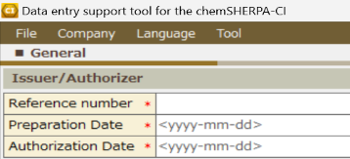
 |  |  | ▼Error example

①
 |  |  | Error areas are marked in red.
 |  |  | Correct：2024-09-10
 |  |  | Incorrect：2024-9-10
（！）Authorization Date(①)must be after the Preparation Date and the Revision Date.

（A-3） 伝達事項
 | Select the Remarks（either Composition or FMD）and Compliance.
 | Composition：Report only chemSHERPA declarable substances.
 |  | (Conventional reporting method)
 | FMD ：Report all information about intentionally added substances and known impurities.
 | Refer to the section（B-4）bellow about how to enter the "Misc".

 | Except for "Misc.", to disclose the substance information over the 90%, select "FMD" of "Remarks".
 | ＊Entries with SN numbers or pseudo-substances are considered disclosed.

 |  |  | ➡ Select one

（A-4） Candidate of Declarable Substances（CDS）
 | As much as possible, please select "Yes" to Reporting of Candidate of Declarable Substances .

B) Composition info
 | After the previous screen switches to the Composition screen,
 | enter the Component, Material, and Substance information.
 | for which you are inputting the composition information.

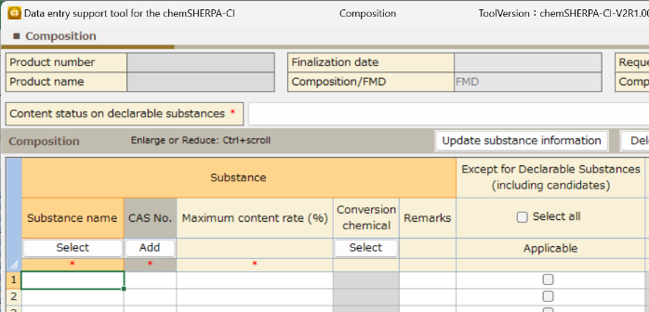
 | Has swiched to Composition screen, enter the Substance information.
 | Fields marked with ＊ are required.

（B-１）Content status on declarable substances
 | Select "1" or "0" about the content status on declarable substances.
 | Refer to the following Regulation list for regulations and industry standards.

 | Regulation List

（B-２）Substance
 | Search the declarable substance at the substance search screen（③）.
 | The substance search screen is displayed by the following operation.
 | Select the cell you will enter the substance information（①）, and click the select button（②）.

chemSHERPA CI_Operation manual
(Attached to the tool）
11.Entering composition information
(refer to P.29)

②
①

③
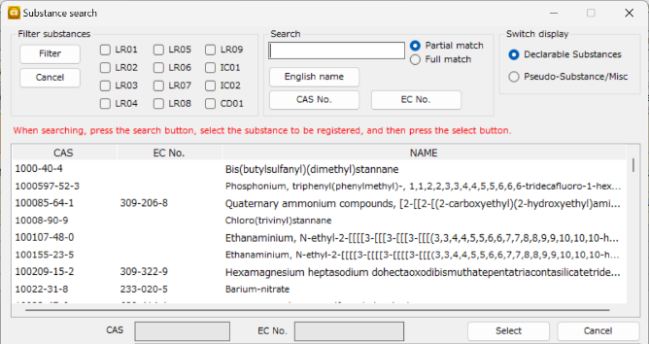

Search the substance by English name, CAS No.,EC No.
➡Select the substance and
click the Select button.

（B-３）Substances other than Declarable Substances (former Optional reporting)
 | Enter substances other than declarable substances and their CAS numbers directly into the cell.
 | Only single-byte alphanumeric characters are allowed for entering the chemical substance name.
 | Use standardized names whenever possible.
 | Also, check "Applicable" of substances other than declarable substances (including candidates).

 | ▶ In the case to where "FMD" is selected in Remarks
 | The content rate of the substance neither CAS No. nor
 | SN No. nor pseudo-substance name is disclosed cannot exceed 10%.
 | Also, enter the name of the chemical substance as accurately as possible.

chemSHERPA CI_Operation manual
(Attached to the tool）
11.2.Enter substance information(refer to P.31)

（B-４）How to enter data about Misc.
 | ▶ In the case to where "FMD" is selected in Remarks
 | Select "Pseudo-Substance/Misc" of Swich display area of the Substance search screen,
 | and select "Misc., not to declare" in the substance list.
 | If “Misc.” was entered manually, you may be asked to re-enter it in the substance search.
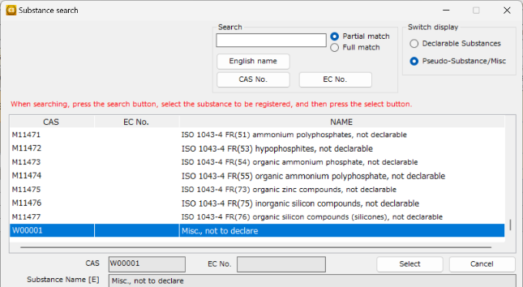

 | ▶ In the case to where "Composition" is selected in Remarks
 | The Declarable Substances list cannot be swiched to Pseudo-Substance/Misc list.
 | Please enter manually.
 | （！）In the case where you register unknown impurities as Misc,
 |  | please enter "Unknown impurities" in the remarks.

（B-５）Update substance information
 | Click the "Update substance information" button after completing the entry of substance information.
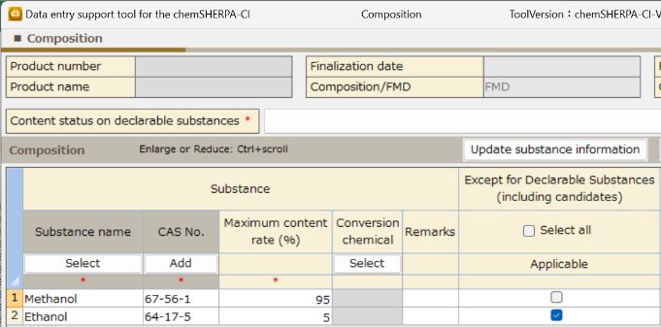

 | Also, check "Applicable" of Except for Declarable Substances (including candidates).
 | The “Select all” button allows to check all the corresponding cells at once.
 | Checking "Select all", a warning appears. Click "OK".
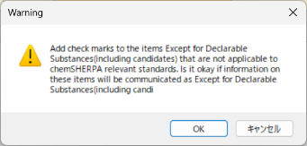

（B-６）Error check
 | After completing the entry, click “Error Check” at the bottom of the screen.
 | If there is no error, click “Finalize”.
 | If there is an error, follow the instructions on the error view to correct and finalize the entry.

３．Authorize/Output
 | Authorize of the completed file. This process is performed from the General screen.

３-1 Error check
 | Click the "Error check" button at the bottom of the screen.

３-２ Authorization
 | Click the "Output (Authorization)" button, complete the authorization process.

 | Click the "Authorize/Output" button to export chemSHERPA.
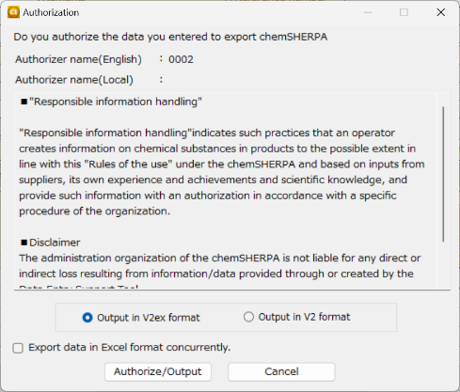
chemSHERPA CI_Operation manual
(Attached to the tool）
10.6. Authorize and save the data
(refer to P.26)

